Print Page 1
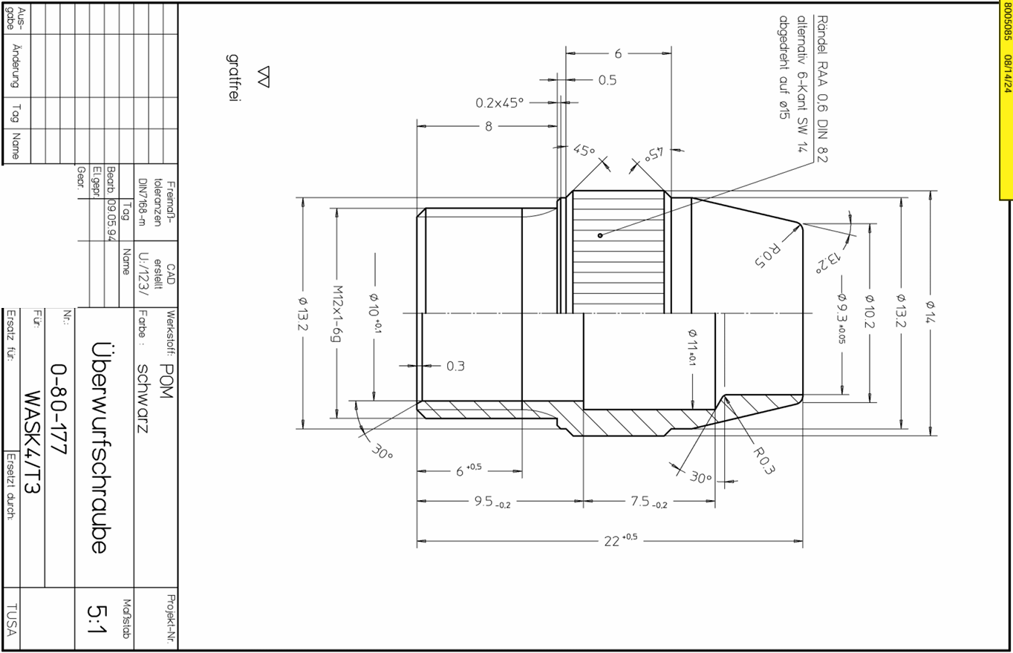
2
3
4
5

10

9

13
12

14
1

15

16

8
17

11
7

6

